Introduction
 | Transition from child to adult health services
 | Audit Toolkit

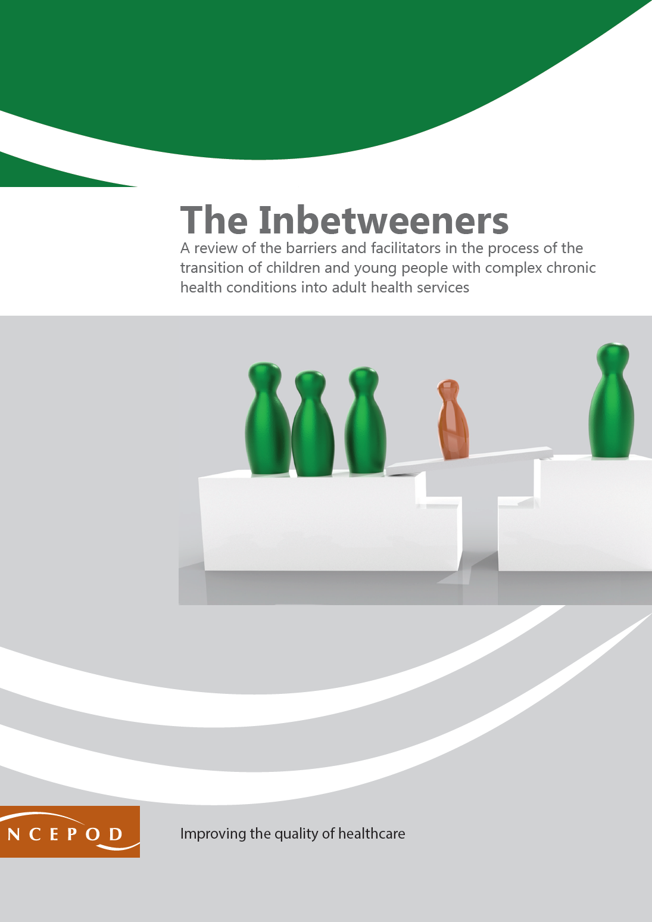 | This tool relates to young people with a chronic condition receiving ongoing care in your organisation. The young person may be receiving care from one or more teams within your organisation. Questions are asked about care provided across the whole organisation rather than on an individual team basis. The NCEPOD enquiry looked at transition from health services for children and young people into adult health services. In the NCEPOD study, this was young people aged between 13 and 25 years with one or more of the following 12 conditions: • Epilepsy • sickle cell disease • juvenile idiopathic arthritis • cerebral palsy • spina bifida • muscular dystrophy • solid organ post-transplant (heart, liver, or kidney) • a brain tumour • autism • Rett syndrome • type 2 diabetes in young people with obesity • chronic kidney disease. The clinician questionnaires were completed by a wide range of healthcare professionals, including doctors, nurses, occupational therapists, physiotherapists and speech and language therapists across all organisations identified as being involved in the ongoing care of the young person, including primary care, community care, physical and mental healthcare.

 | Thank you for downloading the toolkit for ''The Inbetweeners". We hope you find this useful. If you have any feedback, please email us at info@ncepod.org.uk Please could you advise your local audit department if you plan to undertake this audit. It is important that they are made aware of it for the benefit of demonstrating Trust/Health Board activity and also so that they are in a position to support you and endorse the activity for your benefit.
 | Please complete as many questions which are applicable to the care of the patient.
 | For information on the recommendation to which each question assesses, please click on the button
 | This toolkit can be used in conjunction with the Recommendation Checklist. This can be found by clicking on the adjacent report image or this link:
 | https://ncepod.org.uk/2023transition.html

Summary
Extent to which each recommendation has been met (%)
Recommendation - Sub criteria question number (reference)
1 | 2 | 3 | 4 | 6 | 7 | RAG system (NCEPOD recommends these are set at the following limits, however these can be adapted by your Trust/Health Board where appropriate by amending the thresholds as required) |  |  | %
4a | 5a | 7 | 8b | 9b | 11
4b | 5b |  | 8c | 9c | 12
 | 5c |  | 8d | 10a | 13
 | 5d |  |  | 10b | 14b
 | 5e |  |  | 10c | 14c | Green |  |  | 100
 | 5f |  |  |  | 15 | Amber |  |  | 50-99
 | 6a |  |  |  |  | Red |  |  | 0-49
 | 6b
 | 6c |  |  |  | Sub criteria scoring and average per Recommendation below
 |  | (the chart will only populate once all questions for a particular Recommendation have been answered in the Audit Tool worksheet

Recommendation - Sub criteria questions (score) |  |  |  |  |  | Average % of recommendation
1 | 2 | 3 | 4 | 6 | 7 | 1 | 2 | 3 | 4 | 6 | 7
No data | No data | No data | No data | No data | No data | No data | No data | No data | No data | No data | No data
No data | No data |  | No data | No data | No data
 | No data |  | No data | No data | No data
 | No data |  |  | No data | No data
 | No data |  |  | No data | No data
 | No data |  |  |  | No data
 | No data
 | No data
 | No data

